Modified Proposal
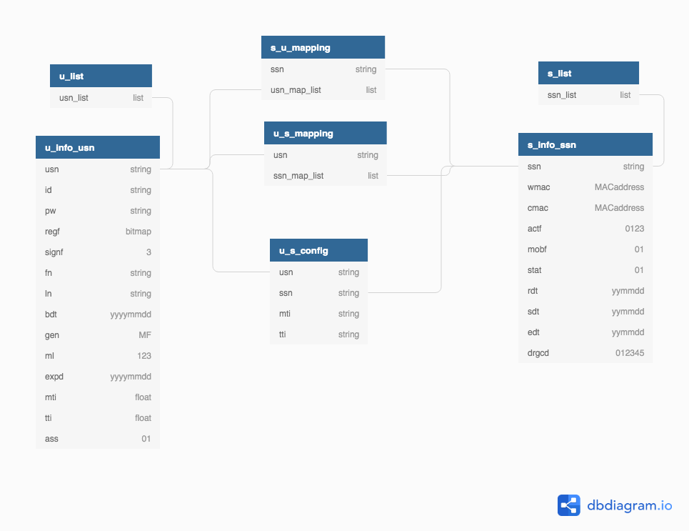
Sensor information (Permanent)
NO | DATANAME | KEY | VALUE | EXAMPLE | TYPE | NOTES
1 | Sensor serial number | s:info:(ssn):ssn | number | s:info:3:ssn 3 | strings
2 | WifI MAC address | s:info:(ssn):wmac | MAC address | s:info:3:wmac A1B2C3D4E5F6 | strings
3 | Cellular MAC address | s:info:(ssn):cmac | MAC address | s:info:3:cmac A1B2C3D4E5F6 | strings
4 | Activation flag | s:info:(ssn):actf | 0b00 or 0b01 or 0b10 or 0b11 | s:info:3:actf 0b11 | bitmap | 00) registered, 01) associated, 10) operating 11) deregistered
5 | Mobility flag | s:info:(ssn):mobf | 0b0 or 0b1 | s:info:3:mobf 0b1 | bitmap | 0) stationary, 1) portable
6 | Sub sensors status | s:info:(ssn):stat | 0b0 or 0b1 | s:info:3:stat 0b11111111 | bitmap | 0) normal, 1) wrong
7 | Registration date | s:info:(ssn):rdt | yymmdd | s:info:3:rdt | strings
8 | Measurement start date | s:info:(ssn):sdt | yymmdd | s:info:3:sdt | strings
9 | Measurement end date | s:info:(ssn):edt | yymmdd | s:info:3:edt | strings
10 | Deregistration reason code | s:info:(ssn):drgcd | 0 or 1 or 2 or 3 or 4 or 5 | s:info:3:drgcd 0 | strings | 0) not defined, 1) handed uver, 2) broken, 3) stolen, 4) not be used, 5) incorrect info.

Sensor association with user (Permanent)
NO | DATANAME | KEY | VALUE | EXAMPLE | TYPE | NOTES
1 | Sensor serial number | u:ass:(usn):(ssn):ssn | number | u:ass:(usn):(ssn):ssn 3 | strings
2 | User sequence number | u:ass:(usn):(ssn):usn | number | u:ass:(usn):(ssn):usn 2
3 | Air measurement interval | u:ass:(usn):(ssn):mti | number | u:ass:(usn):(ssn):mti 10 | strings
4 | Air transmit interval | u:ass:(usn):(ssn):tti | number | u:ass:(usn):(ssn):tti 60 | strings
5 | Mobility flag | s:info:(ssn):mobf | 0b0 or 0b1 | u:ass:3:mobf 0b1 | bitmap | 0) stationary, 1) portable

User information (Permanent)
NO | DATANAME | KEY | VALUE | EXAMPLE | TYPE | NOTES
1 | User sequence number | u:info:(usn):usn | number | u:info:2:usn 2 | strings
2 | User ID | u:info:(usn):id | email address | u:info:2:id airpollution@gmail.com | strings
3 | Password | u:info:(usn):pw | password format | u:info:2:pw PASSWORD | strings
4 | Registration flag | u:info:(usn):regf | 0b00 or 0b01 or 0b10 | u:info:2:regf 1 | bitmap | 00) a lively-registered user, 01) a dormant-registered user, 10) a deregistered user
5 | signed-in state flag | u:info:(usn):signf | 0b00 or 0b01 or 0b10 or 0b11 | u:info:2:signf 3 | bitmap | 00) signed-out, 01) signed-in by App, 10) signed-in by Web, 11) signed-in by both
6 | Fiirst name | u:info:(usn):fn | string | u:info:2:fn Jack | strings
7 | Last name | u:info(usn):ln | string | u:info:2:ln Park | strings
8 | Birthdate | u:info(usn):bdt | yyyymmdd | u:info:2:bdt 19901028 | strings
9 | Gender | u:info(usn):gen | M or F | u:info:2:gen M | strings
10 | Membership level | u:info(usn):ml | 0b00 or 0b01 or 0b10 | u:info:2:ml 0 | bitmap
11 | Membership expiration date | u:info(usn):expd | yymmdd | u:info:2:expd 181231 | strings
12 | Heart measuremente interval | u:info(usn):mti | number | u:info:2:mti 1 | strings
13 | Heart transmit interval | u:info(usn):tti | number | u:info:2:tti 60 | strings
14 | Associated sensor existance | u:info:ass | 0b0 or 0b1 | u:info:ass 0010010110 | bitmap | 0b0) not exist, 0b1) exist

Change proposal by Terry Zhou:

Sensor information (Permanent)
NO | DATANAME | KEY | VALUE | EXAMPLE | TYPE | NOTES
1 | Sensor Info | s:info:[ssn] | wmac MACaddress |  | Hash | Change original set data type to hash for better data integrity and space compact
 |  |  | cmac MACaddress
 |  |  | actf 0123
 |  |  | mobf 01
 |  |  | stat 01
 |  |  | rdt yymmdd
 |  |  | sdt yymmdd
 |  |  | edt yymmdd
 |  |  | drgcd 012345
2 | Sensor_list | s:list | ssn1,ssn2,ssn3… |  | List | Use list to keep tracking data integrity

User information (Permanent)
NO | DATANAME | KEY | VALUE | EXAMPLE | TYPE | NOTES
1 | User:info | u:info:[usn] | id string pw string regf bitmap signf 3 fn string ln string bdt yyyymmdd gen MF ml 123 expd yyyymmdd mti float tti float ass 01 |  | Hash | Change original set data type to hash for better data integrity and space compact
2 | User:list | u:list | usn1,usn2,usn3… |  | List | Use list to keep tracking data integrity

Sensor association with user (Permanent)
NO | DATANAME | KEY | VALUE | EXAMPLE | TYPE | NOTES
1 | user to sensor mapping | u_s:mapping:[usn] | ssn1,ssn2,ssn3.. |  | list/set | reduce n*m mapping keys to n+m keys
2 | sensor to user mapping | s_u:mapping:[ssn] | usn1,ysn2,usn3… |  | list/set
3 | user to sensor configuration | u_s:config:[usn]:[ssn] | mti string |  | hash | use hash to keep config file's integrity
 |  |  | tti string

